FAT_Detect Tracker
Sr.no | Jira Ticket No. | Object | Issue Description | Raised On | Raised By | Assigned To | Priority | System Env. | Solution | Resolution Date | Screenshot | Remarks | Status
1 | AXCELEFT-3250 | IW32 | Tech-AXCELEFT_1471-IW32-Runtime error during TECO of the workorder | 2026-07-16 | Manoj San | Vikas San | Low | Q4R | Issue in class - /SCL/FTD_CL_ZXM06U41_GL_IMP Method - /SCL/FTD_ZXM06U41_BADI_INF~EXIT_METHOD material length changed form 18 to 40 which was not present in struture l_241_1 | 2026-07-16 | 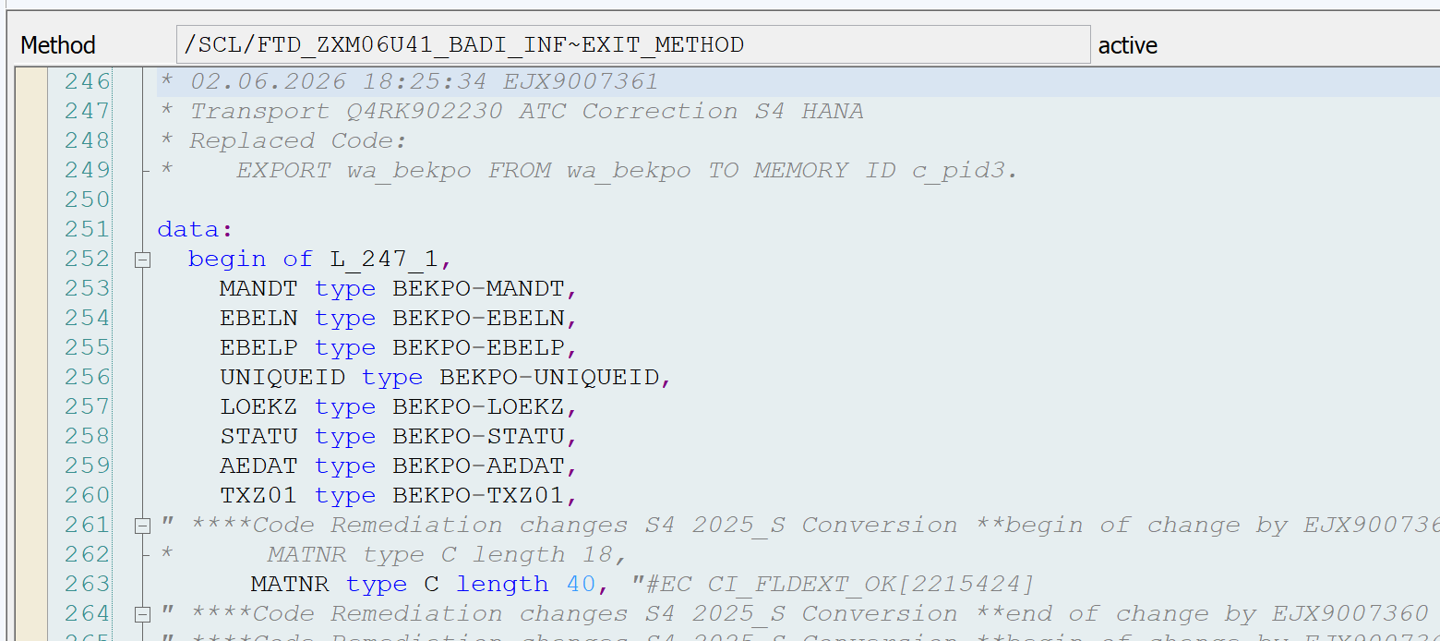 | Encountered runtime error when TECO work order in transaction IW32 | Closed
2 | AXCELEFT-3252 | ME59N | ABAP Dump - P2P-0030-100 - ME59N - User unable to create PO and getting ABAP dump - | 2026-07-16 | Sankar San | Vikas San | Medium | Q4R | Issue in class - /SCL/FTD_CL_ZXM06U41_GL_IMP Method - /SCL/FTD_ZXM06U41_BADI_INF~EXIT_METHOD material length changed form 18 to 40 which was not present in struture l_241_1 | 2026-07-17 |  | 20/07 - Pending functional testing | Pending functional testing
3 | AXCELEFT-3245 | /CCEJ/RURCO_FI_UPLD | /CCEJ/RURCO_FI_UPLD - Error during conversion - field type conflict | 2026-07-16 | Ravish San | Vikas San | Medium | Q4R | Report - /B2WISE/05_OS_RETRIEVE Line no 323 Wrong parameter sent to Function Module | 2026-07-17 | 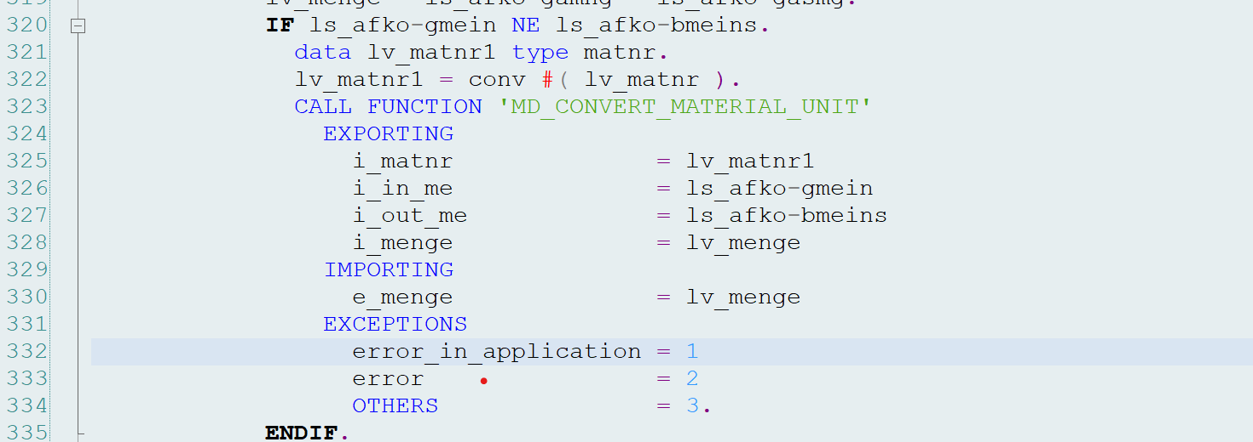 | 20/07 - Pending functional testing | Pending functional testing
4 | AXCELEFT-3368 | ? | ABAP Dump - P2P-0030-160 - MEMASSPO - User unable to change the POs in mass and get... | 2026-07-16 | Sankar San | Vikas San | Medium | Q4R | Issue in class - /SCL/FTD_CL_ZXM06U41_GL_IMP Method - /SCL/FTD_ZXM06U41_BADI_INF~EXIT_METHOD material length changed form 18 to 40 which was not present in struture l_241_1 | 2026-07-17 |  | 20/07 - Pending functional testing | Pending functional testing
5 | AXCELEFT-3369 | ME58 | ABAP Dump - P2P-0030-100 - ME58 - User unable to create PO from PR and getting ABAP... | 2026-07-17 | Sankar San | Vikas San | Medium | Q4R | Issue in class - /SCL/FTD_CL_ZXM06U41_GL_IMP Method - /SCL/FTD_ZXM06U41_BADI_INF~EXIT_METHOD material length changed form 18 to 40 which was not present in struture l_241_1 | 2026-07-17 |  | 20/07 - Pending functional testing | Pending functional testing
6 | AXCELEFT-3370 | ME21N | ABAP Dump - P2P-0040-010 - ME21N - User unable to create PO and getting ABAP dump -... | 2026-07-17 | Sankar San | Vikas San | Medium | Q4R | Issue in class - /SCL/FTD_CL_ZXM06U41_GL_IMP Method - /SCL/FTD_ZXM06U41_BADI_INF~EXIT_METHOD material length changed form 18 to 40 which was not present in struture l_241_1 | 2026-07-17 |  | 20/07 - Pending functional testing | Pending functional testing
7 | AXCELEFT-3378 | /CCEJ/RUOSD_IDOC_ERR | /CCEJ/RUOSD_IDOC_ERR_Unable to create EDI Sales order - Jira | 2026-07-20 | Mitesh Sam | Vikas San | High | Q4R |  | 2026-07-20 |  | 20/07 - Pending functional testing | Pending functional testing

